Contents
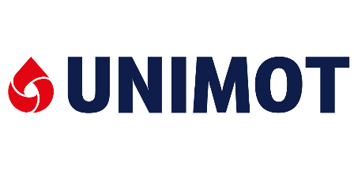
UNIMOT CAPITAL GROUP

Selected consolidated financial data

1. Interim condensed consolidated statements on total revenues
2. Interim condensed consolidated statements on financial situation
3. Condensed consolidated statements on cash flows
4. Selected financial ratios
5. Sales volumes
6. Interim condensed consolidated statements on total revenues*
 | 6.1. DIESEL+BIO-FUELS SEGMENT
 | 6.2. LPG SEGMENT
 | 6.3. NATURAL GAS SEGMENT
 | 6.4. ELECTRICITY SEGMENT
 | 6.5. PV
 | 6.6. FUEL STATIONS SEGMENT
 | 6.7. OTHER REFINED PRODUCTS

* The Capital Group shows also other activities and corporate functions and books clearings in the Group.

This document has been prepared only for informational reasons. Published periodical reports are the official source of financial data and information.

