Table of Contents
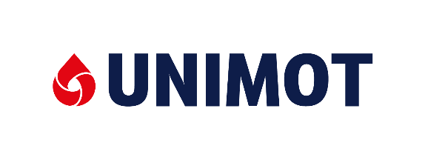
UNIMOT GROUP

Selected consolidated financial data
Data presented covers the given reporting period.
In the case of adjustments for comparative periods, the figures in the table are not adjusted
1. Condensed consolidated statement of comprehensive income
2. Condensed consolidated statement of financial position
3. Condensed consolidated statement of cash flows
4. Selected financial ratios
5. Sales volumes
6. Segmenty*
 | 6.1. Liquid fuels
 | 6.2. LPG
 | 6.3. Natural gas
 | 6.4. Electricity
 | 6.5. Renewable energy sources (RES)
 | 6.6. Petrol stations
 | 6.7. Bitumen
 | 6.8. Infrastructure and logistics
 | 6.8. Solid fuels
* The Group also presents other activities and corporate functions separately in its financial statements, and eliminates intra-group transactions

This document has been prepared for informational purposes only. The official source of financial data and information about the Company are the published periodic reports.

